TotalSales
Sum of Sales |  | Coffee Type Name
Years (Order Date) | Months (Order Date) | Arabica | Excela | Liberica | Robusta
2019 |  | 2927 | 3481 | 3378 | 2401
2020 | Jan | 47 | 66 | 275 | 179
 | Feb | 745 | 429 | 194 | 430
 | Mar | 130 | 271 | 281 | 232
 | Apr | 27 | 347 | 148 | 240
 | May | 255 | 542 | 83 | 59
 | Jun | 585 | 357 | 355 | 141
 | Jul | 431 | 227 | 236 | 415
 | Aug | 23 | 78 | 61 | 140
 | Sep | 126 | 195 | 89 | 303
 | Oct | 376 | 523 | 441 | 174
 | Nov | 515 | 143 | 347 | 104
 | Dec | 96 | 485 | 94 | 77
2021 | Jan | 258 | 140 | 280 | 160
Total Sales Over Time
 | Feb | 342 | 284 | 252 | 81
 | Mar | 418 | 468 | 405 | 253
 | Apr | 102 | 242 | 555 | 106
 | May | 235 | 133 | 267 | 273
 | Jun | 430 | 136 | 210 | 88
 | Jul | 109 | 394 | 61 | 199
 | Aug | 288 | 289 | 126 | 374
 | Sep | 841 | 410 | 171 | 221
 | Oct | 299 | 260 | 585 | 256
 | Nov | 323 | 566 | 538 | 189
 | Dec | 399 | 148 | 388 | 212
2022 | Jan | 113 | 166 | 844 | 147
 | Feb | 115 | 134 | 91 | 54
 | Mar | 278 | 175 | 463 | 400
 | Apr | 198 | 290 | 89 | 200
 | May | 193 | 212 | 292 | 304
 | Jun | 180 | 426 | 170 | 379
 | Jul | 247 | 247 | 271 | 142
 | Aug | 116 | 41 | 16 | 71

CountryBarChart
Sales By County
Country | Sum of Sales
United Kingdom | $2,799
Ireland | $6,697
United States | $35,639

Top5Customers
Top 5 Customers
Customer Name | Sum of Sales
Don Flintiff | $278
Nealson Cuttler | $282
Terri Farra | $289
Brenn Dundredge | $307
Allis Wilmore | $317

Dashboard
COFFEE SALES DASHBOARD

Total Sales Over Time
 | Arabica | Excela | Liberica | Robusta
 | 2927 | 3481 | 3378 | 2401
Jan | 47 | 66 | 275 | 179
Feb | 745 | 429 | 194 | 430
Mar | 130 | 271 | 281 | 232
Apr | 27 | 347 | 148 | 240
May | 255 | 542 | 83 | 59
Jun | 585 | 357 | 355 | 141
Jul | 431 | 227 | 236 | 415
Aug | 23 | 78 | 61 | 140
Sep | 126 | 195 | 89 | 303
Oct | 376 | 523 | 441 | 174
Nov | 515 | 143 | 347 | 104
Dec | 96 | 485 | 94 | 77
Jan | 258 | 140 | 280 | 160
Feb | 342 | 284 | 252 | 81
Mar | 418 | 468 | 405 | 253
Apr | 102 | 242 | 555 | 106
May | 235 | 133 | 267 | 273
Jun | 430 | 136 | 210 | 88
Jul | 109 | 394 | 61 | 199
Aug | 288 | 289 | 126 | 374
Sep | 841 | 410 | 171 | 221
Oct | 299 | 260 | 585 | 256
Nov | 323 | 566 | 538 | 189
Dec | 399 | 148 | 388 | 212
Jan | 113 | 166 | 844 | 147
Feb | 115 | 134 | 91 | 54
Mar | 278 | 175 | 463 | 400
Apr | 198 | 290 | 89 | 200
May | 193 | 212 | 292 | 304
Jun | 180 | 426 | 170 | 379
Jul | 247 | 247 | 271 | 142
Aug | 116 | 41 | 16 | 71
Sales By Country
 | Total
United Kingdom | $2,799
Ireland | $6,697
United States | $35,639

Top 5 Customers
 | Total
Don Flintiff | $278
Nealson Cuttler | $282
Terri Farra | $289
Brenn Dundredge | $307
Allis Wilmore | $317

Learning
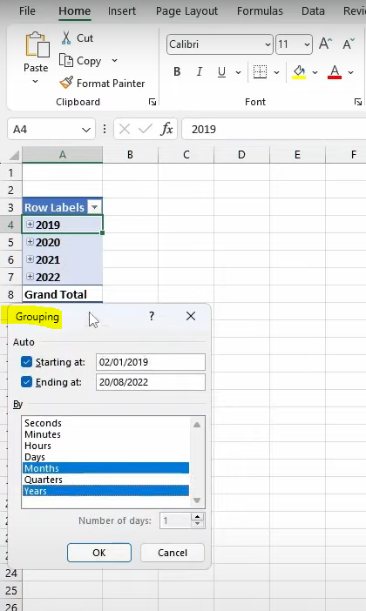
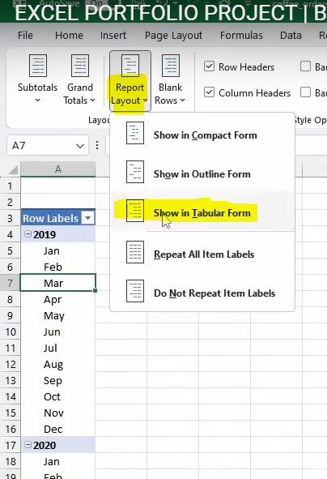
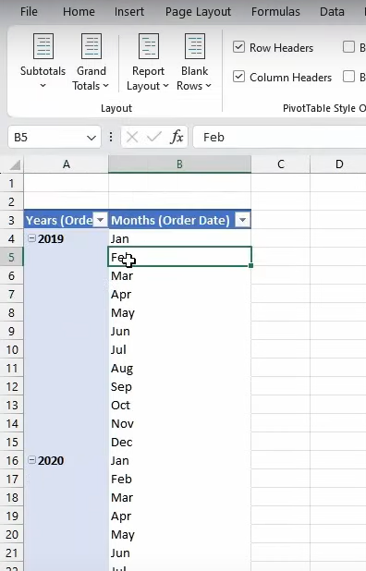
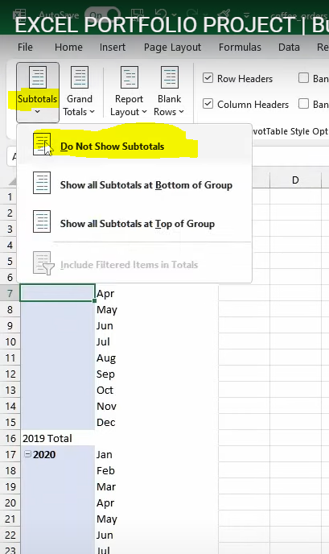
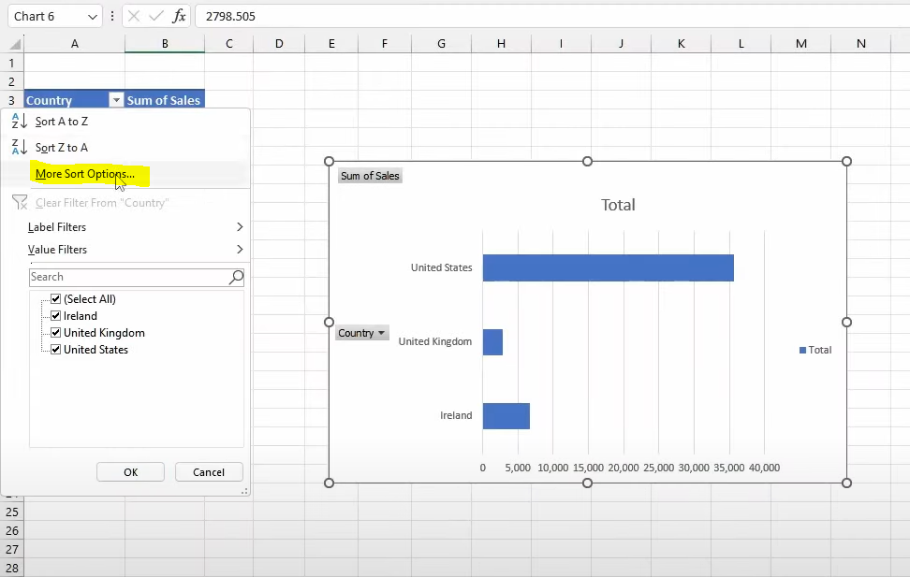
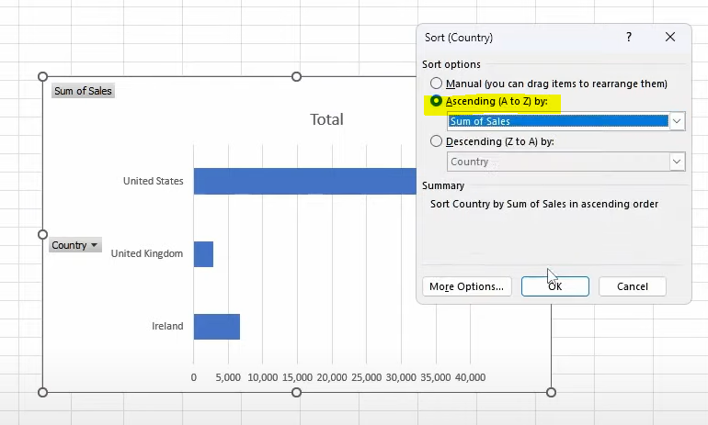
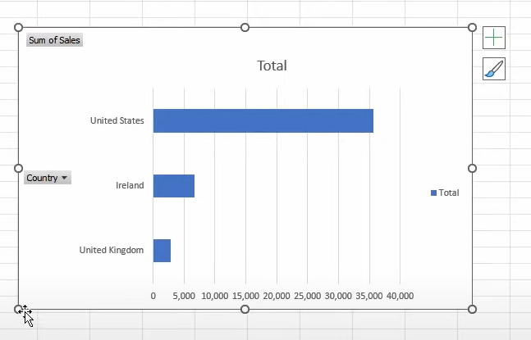
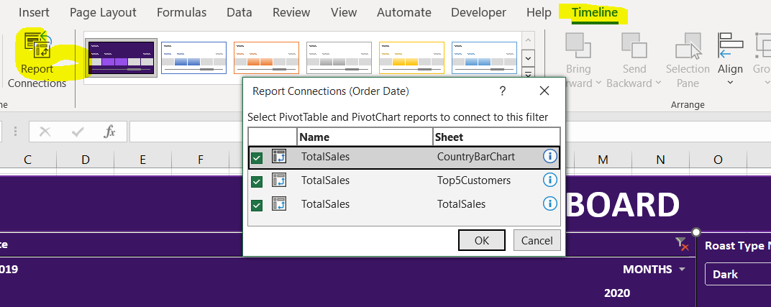
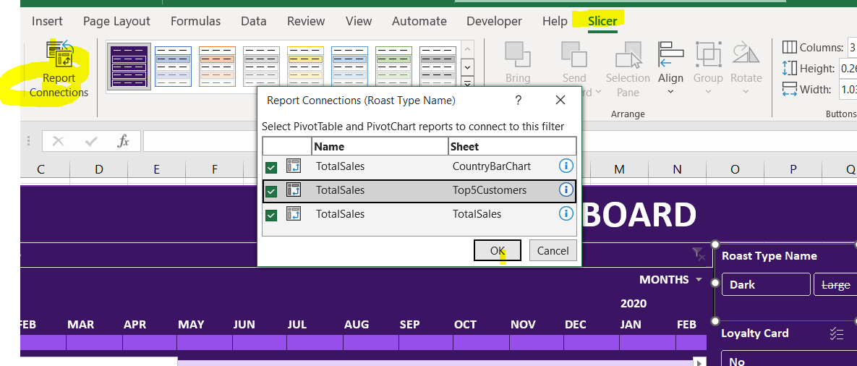
To eliminate the value 0 in the columns and replace them with empty cells using the IF condition
"=IF(INDEX(customers!$A$1:$I$1001,MATCH($C2,customers!$A$1:$A$1001,0),MATCH(G$1,customers!$A$1:$I$1,0))=0,"",INDEX(customers!$A$1:$I$1001,MATCH($C2,customers!$A$1:$A$1001,0),MATCH(G$1,customers!$A$1:$I$1,0)))"

Multiple IF else statements

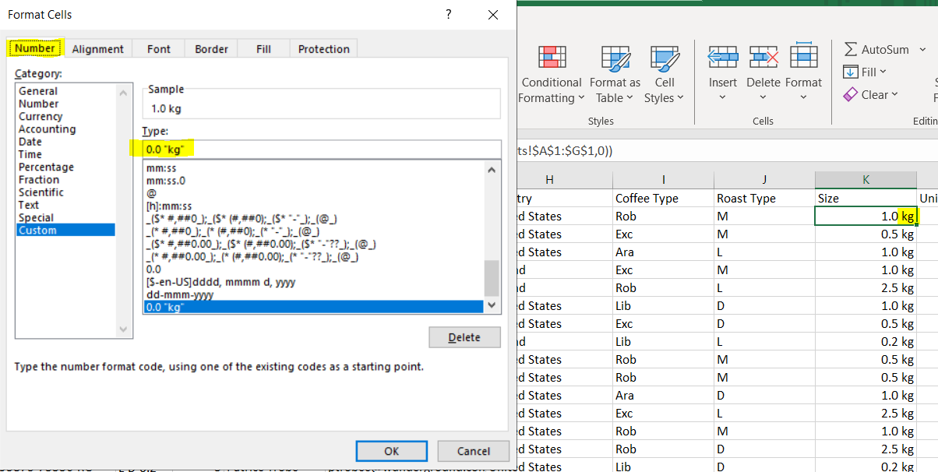

Shortcut
Ctrl + T | To insert a table
Ctrl + 1 | To pull up the font
Ctrl + H | To replace the String pop up menu
Alt + N + V + T | Pivot table
Ctrl + Home | Takes you to First Cell

Good thing with table is when ever a formula or data is updated it automatically updates the pivot

